bookaflight
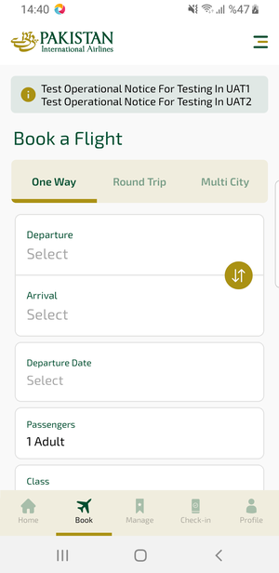
bookaflight | 16.04.2026 14:40 | ANDROID |  |  |  |  |  |  |  | 📸 bookaflight
Element ID | Page | Type | Label / Text | Value | Resource ID | Status | New Status
bookaflight_element_1 | MainActivity | ViewGroup |  |  | avail_search_header | ID Var
bookaflight_element_2 | MainActivity | ViewGroup | Departure, Select |  | avail_search_dep_port_card | ID Var
bookaflight_element_3 | MainActivity | ViewGroup | Arrival, Select |  | avail_search_arr_port_card | ID Var
bookaflight_element_4 | MainActivity | ViewGroup | Departure Date, Select |  | avail_search_dep_date_card | ID Var
bookaflight_element_5 | MainActivity | ViewGroup | One Way |  | avail_selection_switch_item | Duplicate | ID Eklenecek (Waiting Dev)
bookaflight_element_6 | MainActivity | ViewGroup | Round Trip |  | avail_selection_switch_item | Duplicate | ID Eklenecek (Waiting Dev)
bookaflight_element_7 | MainActivity | ViewGroup | Multi City |  | avail_selection_switch_item | Duplicate | ID Eklenecek (Waiting Dev)
bookaflight_element_8 | MainActivity | ViewGroup | Passengers, 1 Adult |  | avail_search_pax_count_card | Duplicate | ID Eklenecek (Waiting Dev)
bookaflight_element_9 | MainActivity | ViewGroup | Class, Economy |  | avail_search_pax_count_card | Duplicate | ID Eklenecek (Waiting Dev)
bookaflight_element_10 | MainActivity | View | Home |  |  | ID Yok | ID Eklenecek (Waiting Dev)
bookaflight_element_11 | MainActivity | View | Book |  |  | ID Yok | ID Eklenecek (Waiting Dev)
bookaflight_element_12 | MainActivity | View | Manage |  |  | ID Yok | ID Eklenecek (Waiting Dev)
bookaflight_element_13 | MainActivity | View | Check-in |  |  | ID Yok | ID Eklenecek (Waiting Dev)
bookaflight_element_14 | MainActivity | View | Profile |  |  | ID Yok | ID Eklenecek (Waiting Dev)
bookaflight_element_15 | MainActivity | ViewGroup | Information for Credit Card Holders |  |  | ID Yok | ID Eklenecek (Waiting Dev)

mbSearch
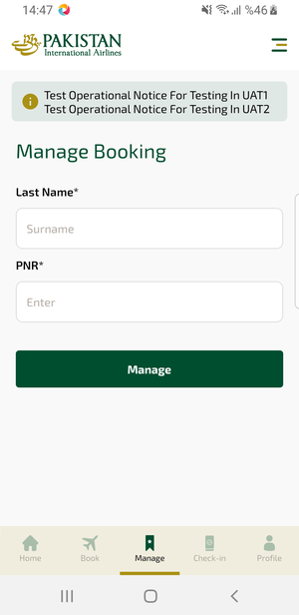
mbSearch | 16.04.2026 14:47 | ANDROID |  |  |  |  |  |  |  | 📸 mbSearch
Element ID | Page | Type | Label / Text | Value | Resource ID | Status | New Status
mbSearch_element_1 | MainActivity | EditText | Surname | Surname | mbk_search_text_field_surname | ID Var
mbSearch_element_2 | MainActivity | EditText | Enter | Enter | mbk_search_text_field_bookingId | ID Var
mbSearch_element_3 | MainActivity | ViewGroup | Manage |  | mbk_search_find_button | ID Var
mbSearch_element_4 | MainActivity | TextView | Manage Booking | Manage Booking | mbk_search_header | ID Var
mbSearch_element_5 | MainActivity | View | Home |  |  | ID Yok | ID Eklenecek (Waiting Dev)
mbSearch_element_6 | MainActivity | View | Book |  |  | ID Yok | ID Eklenecek (Waiting Dev)
mbSearch_element_7 | MainActivity | View | Manage |  |  | ID Yok | ID Eklenecek (Waiting Dev)
mbSearch_element_8 | MainActivity | View | Check-in |  |  | ID Yok | ID Eklenecek (Waiting Dev)
mbSearch_element_9 | MainActivity | View | Profile |  |  | ID Yok | ID Eklenecek (Waiting Dev)
mbSearch_element_10 | MainActivity | ViewGroup | Long Lon Long Operational Notice One Two |  |  | ID Yok | ID Eklenecek (Waiting Dev)

profile
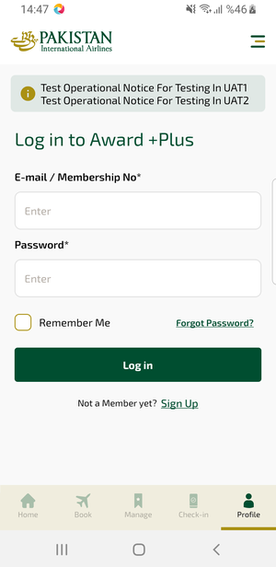
profile | 16.04.2026 14:48 | ANDROID |  |  |  |  |  |  |  | 📸 profile
Element ID | Page | Type | Label / Text | Value | Resource ID | Status | New Status
profile_element_1 | MainActivity | EditText | Enter | Enter | loyalty_login_text_field_emailOrMembership | ID Var
profile_element_2 | MainActivity | EditText | Enter | Enter | loyalty_login_text_field_password | ID Var
profile_element_3 | MainActivity | ViewGroup |  |  | loyalty_login_header | ID Var
profile_element_4 | MainActivity | ViewGroup | Log in |  | loyalty_login_login_button | ID Var
profile_element_5 | MainActivity | View | Home |  |  | ID Yok | ID Eklenecek (Waiting Dev)
profile_element_6 | MainActivity | View | Book |  |  | ID Yok | ID Eklenecek (Waiting Dev)
profile_element_7 | MainActivity | View | Manage |  |  | ID Yok | ID Eklenecek (Waiting Dev)
profile_element_8 | MainActivity | View | Check-in |  |  | ID Yok | ID Eklenecek (Waiting Dev)
profile_element_9 | MainActivity | View | Profile |  |  | ID Yok | ID Eklenecek (Waiting Dev)
profile_element_10 | MainActivity | ViewGroup | Long Lon Long Operational Notice One Two |  |  | ID Yok | ID Eklenecek (Waiting Dev)
profile_element_11 | MainActivity | ViewGroup | Remember Me |  |  | ID Yok | ID Eklenecek (Waiting Dev)
profile_element_12 | MainActivity | ViewGroup | Forgot Password? |  |  | ID Yok | ID Eklenecek (Waiting Dev)
profile_element_13 | MainActivity | ViewGroup | Sign Up |  |  | ID Yok | ID Eklenecek (Waiting Dev)

signup
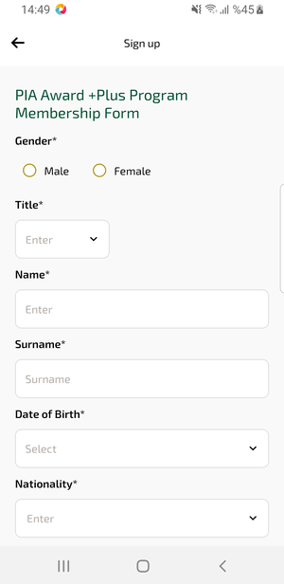
signup | 16.04.2026 14:49 | ANDROID |  |  |  |  |  |  |  | 📸 signup
Element ID | Page | Type | Label / Text | Value | Resource ID | Status | New Status
signup_element_1 | MainActivity | EditText | Enter | Enter | undefinedgivenName | Undefined ID | ID Eklenecek (Waiting Dev)
signup_element_2 | MainActivity | EditText | Surname | Surname | undefinedsurname | Undefined ID | ID Eklenecek (Waiting Dev)
signup_element_3 | MainActivity | ViewGroup |  |  | undefinedtitle | Undefined ID | ID Eklenecek (Waiting Dev)
signup_element_4 | MainActivity | ViewGroup | Date of Birth* |  | undefinedbirthDate | Undefined ID | ID Eklenecek (Waiting Dev)
signup_element_5 | MainActivity | ViewGroup | Nationality* |  | undefinednationality | Undefined ID | ID Eklenecek (Waiting Dev)
signup_element_6 | MainActivity | EditText | Enter | Enter |  | ID Yok | ID Eklenecek (Waiting Dev)
signup_element_7 | MainActivity | EditText | Select | Select |  | ID Yok | ID Eklenecek (Waiting Dev)
signup_element_8 | MainActivity | EditText | Enter | Enter |  | ID Yok | ID Eklenecek (Waiting Dev)
signup_element_9 | MainActivity | ViewGroup | Male |  |  | ID Yok | ID Eklenecek (Waiting Dev)
signup_element_10 | MainActivity | ViewGroup | Female |  |  | ID Yok | ID Eklenecek (Waiting Dev)

